Sheet2
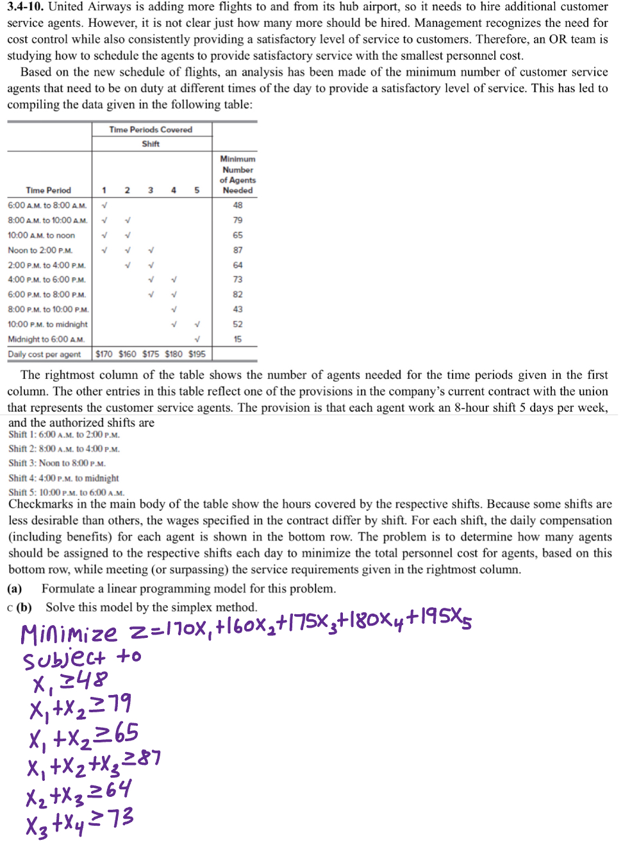
Decision Variables | x1 | x2 | x3 | x4 | x5

Time Period | Shift 1 | Shift 2 | Shift 3 | Shift 4 | Shift 5 | Minimum Numbers of Agents Needed
6AM-8AM | 1 |  |  |  |  | 48
8AM to 10AM | 1 | 1 |  |  |  | 79
10AM to 12PM | 1 | 1 |  |  |  | 65
12PM to 2PM | 1 | 1 | 1 |  |  | 87
2PM to 4PM |  | 1 | 1 |  |  | 64
4PM to 6PM |  |  | 1 | 1 |  | 73
6PM to 8PM |  |  | 1 | 1 |  | 82
8PM to 10PM |  |  |  | 1 |  | 43
10PM to 12AM |  |  |  | 1 | 1 | 52
12AM to 6AM |  |  |  |  | 1 | 15

Daily cost per agent | 170 | 160 | 175 | 180 | 195

 |  |  |  |  |  | Obj Fun | 180

 |  |  |  |  |  |  | LH | sign | RH
 |  |  |  |  |  | c1 | 1 | >= | 48
 |  |  |  |  |  | c2 | 1 | >= | 79
 |  |  |  |  |  | c3 | 0 | >= | 65
 |  |  |  |  |  |  |  |  | 87
 |  |  |  |  |  |  |  |  | 64
 |  |  |  |  |  |  |  |  | 73
 |  |  |  |  |  |  |  |  | 82
 |  |  |  |  |  |  |  |  | 43
 |  |  |  |  |  |  |  |  | 52
 |  |  |  |  |  |  |  |  | 15

